Help
Ask a question on our forum
http://go.microsoft.com/fwlink/?LinkID=403669&clcid=0x409

Documentation
http://aka.ms/amlexcelhelp

Below is a step-by-step tutorial for using this workbook

Step 1: Choose the Titanic survivor predictor web service
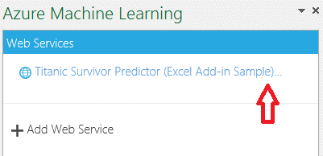

Step 2: Select the data in the bold black box below (including the header)

PassengerClass | Gender | Age | SiblingSpouse | ParentChild | FarePrice | PortEmbarkation
1 | male | 22 | 1 | 1 | 7.25 | S
1 | female | 38 | 1 | 1 | 71.28 | C
2 | female | 40 | 3 | 0 | 34.5 | S

Step 3: Click the range selector button, click OK, specify output cell (H14), and click Predict. The right pane should look like this:
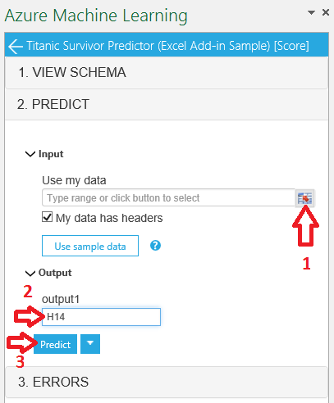
Step 4: Try it with differet data! Change the text above or in Sheet1.

